Tire Data
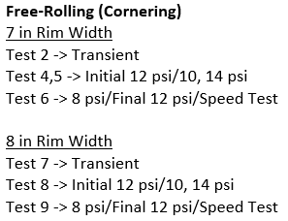
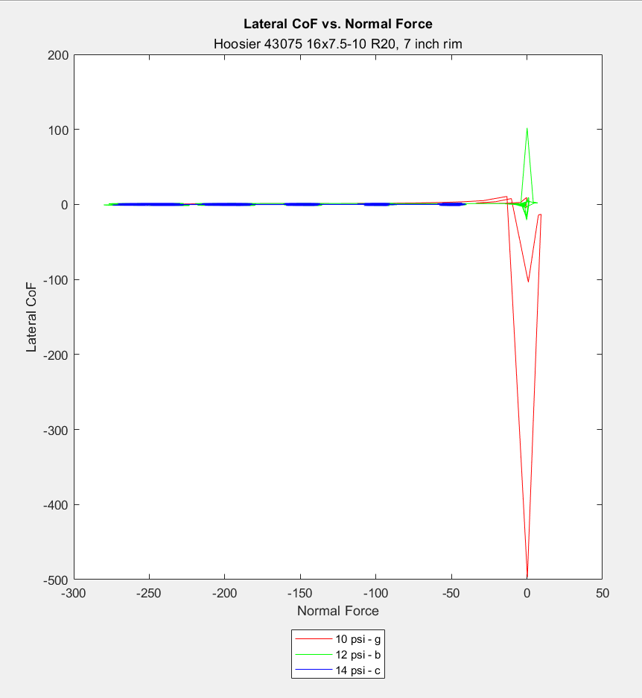
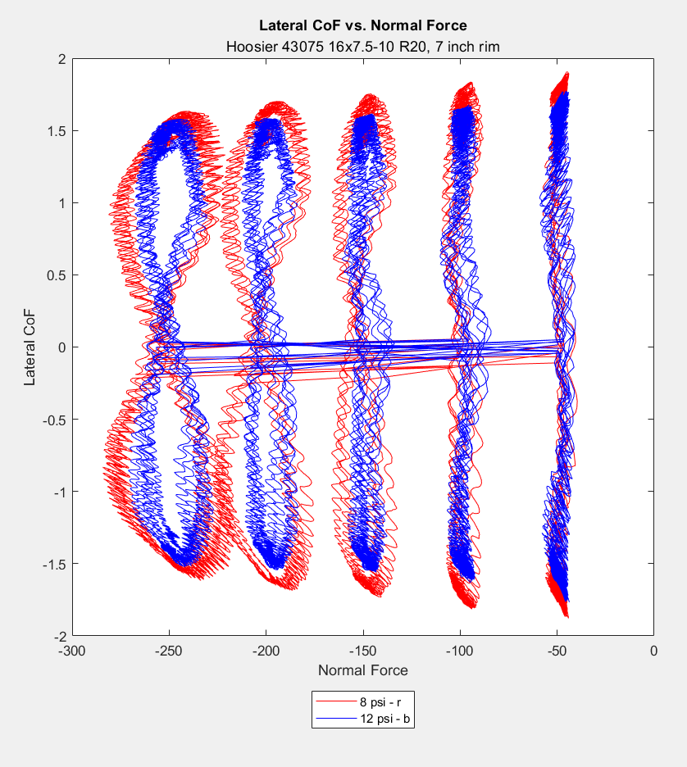
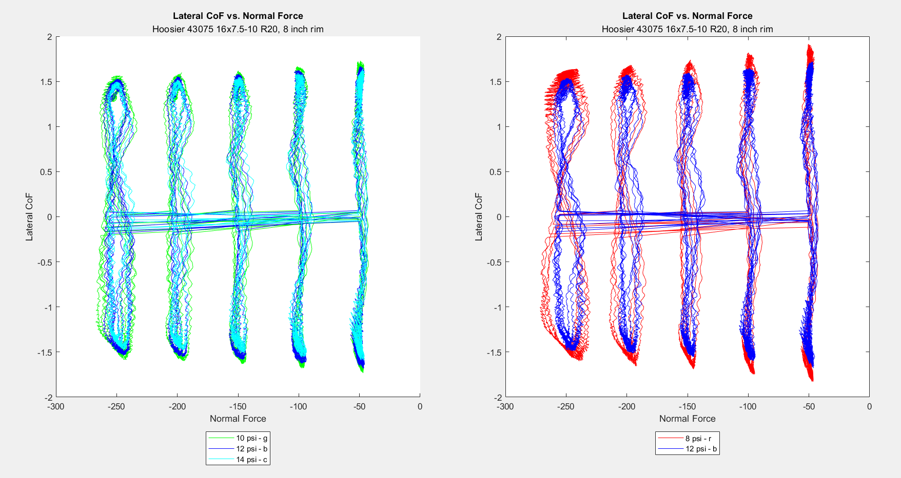
 | Fy Plots
 | Run 4,5 | Run 6 | Run 8 | Run 9 | Pyrometer Readings
 |  |  |  |  |  |  | Temp. (F)
 |  |  |  |  | Run # | Tire # | Outboard | Center | Inboard
 |  |  |  |  | 6 | 4 | 47 | 44 | 48
 |  |  |  |  | 9 | 5 | 45 | 43 | 49
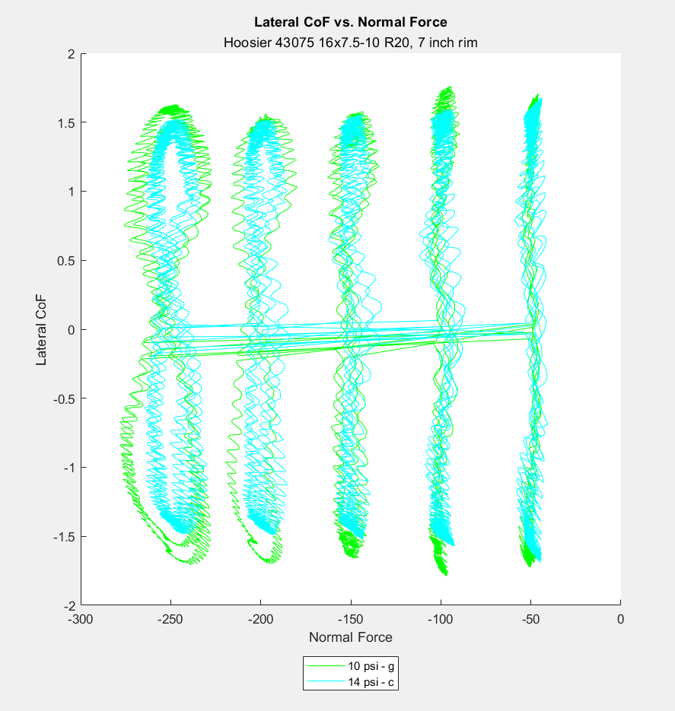

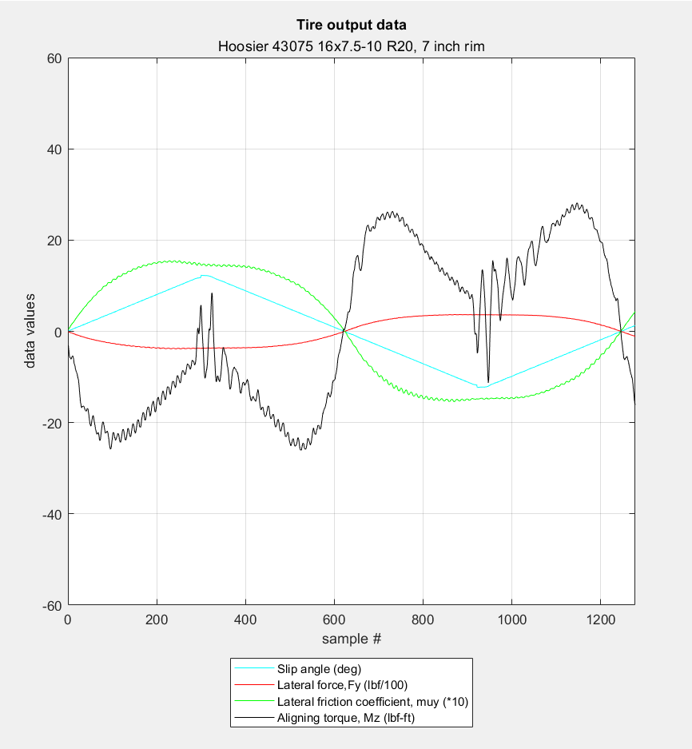
Run 4,5
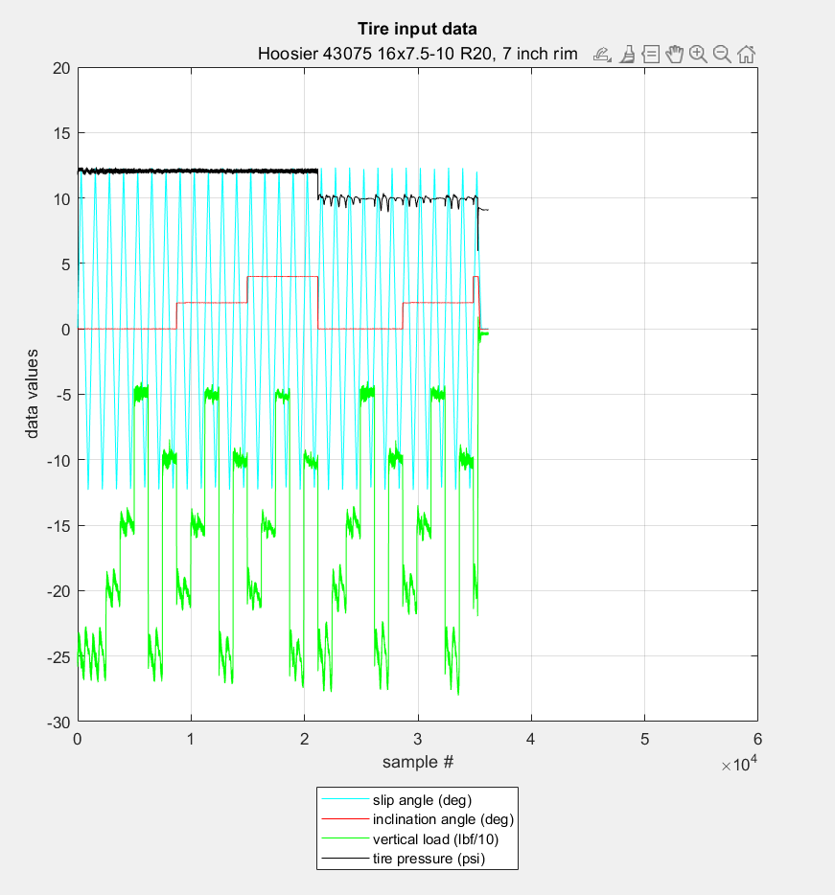
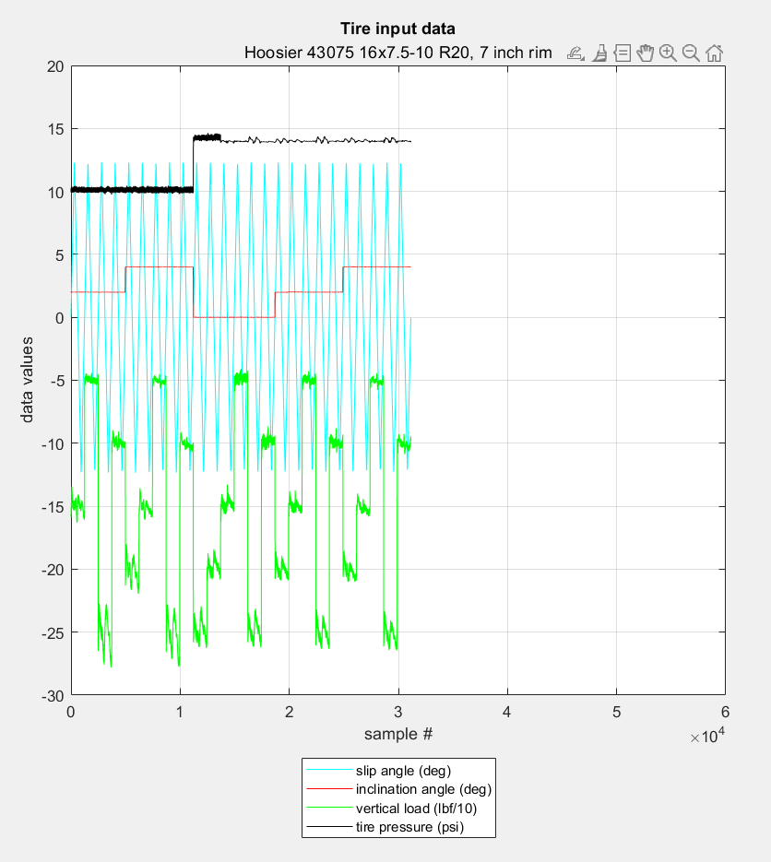
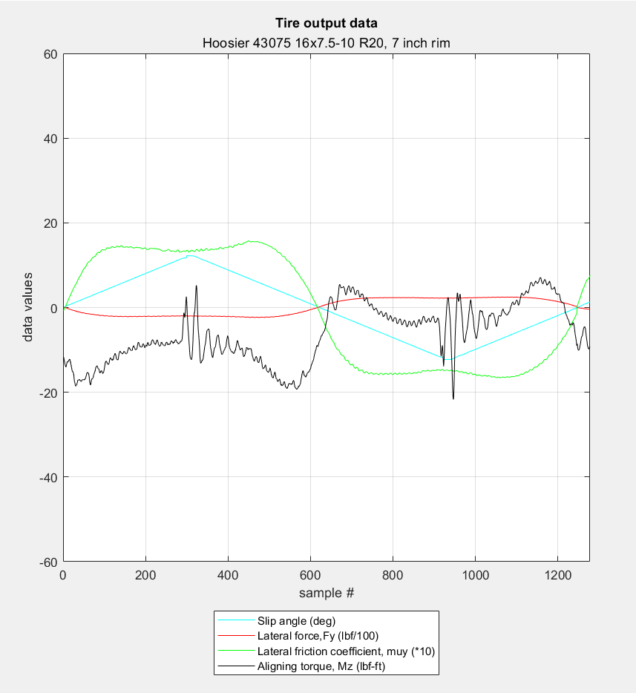

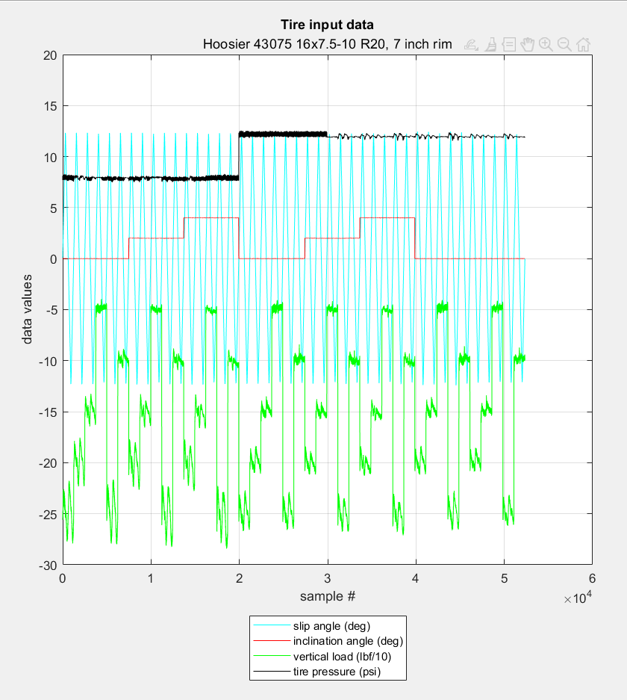
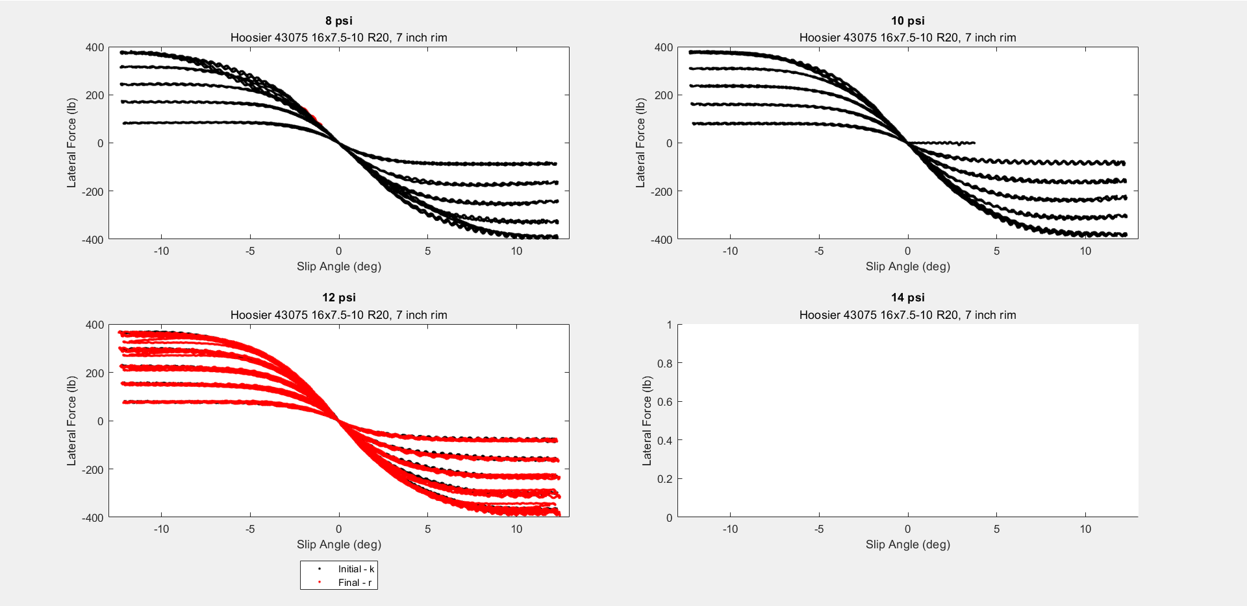
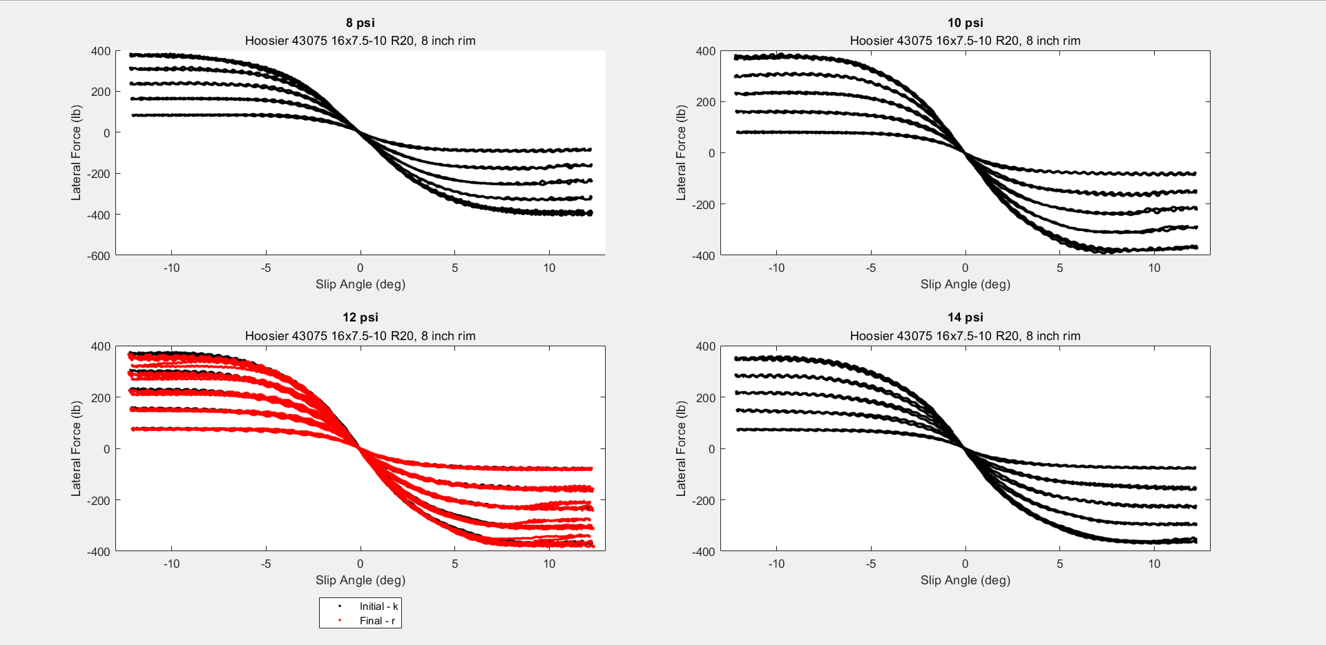
Run 6
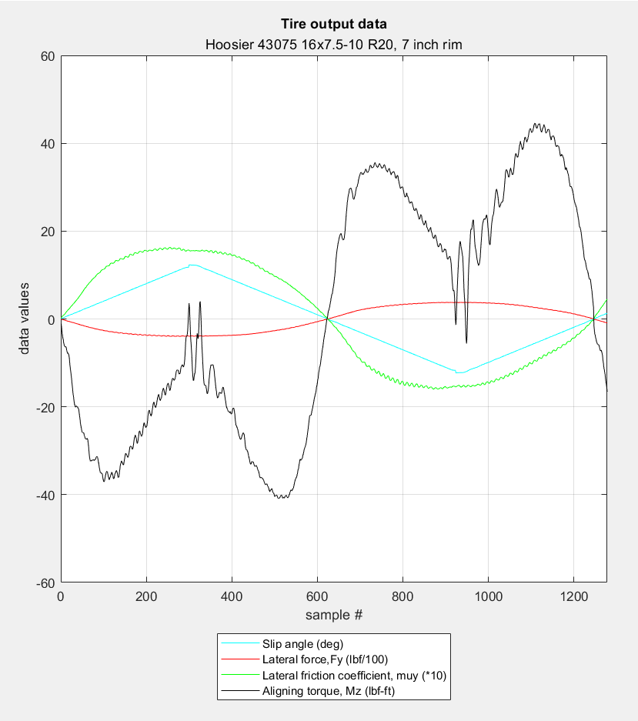

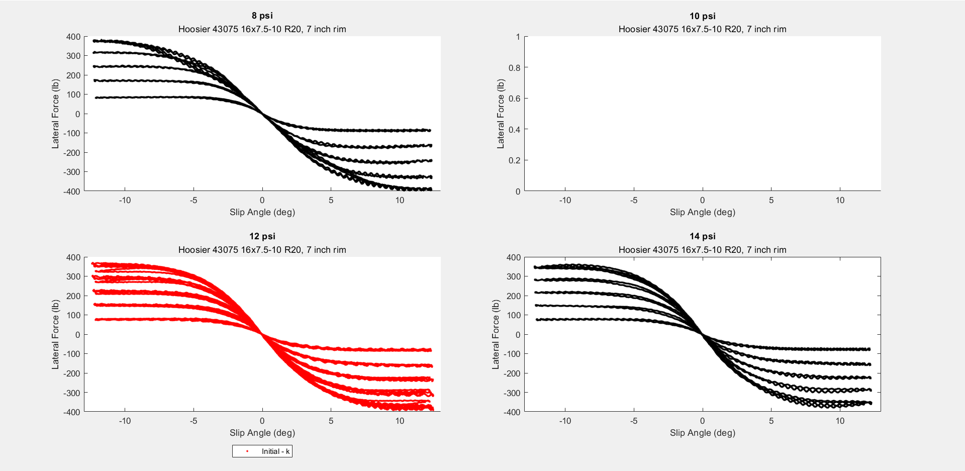

Run 8

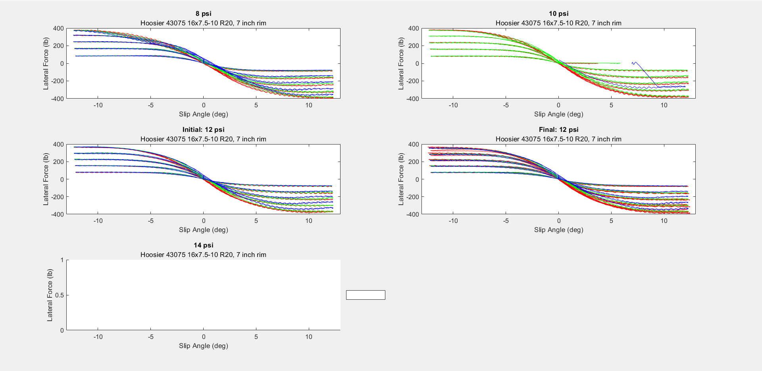
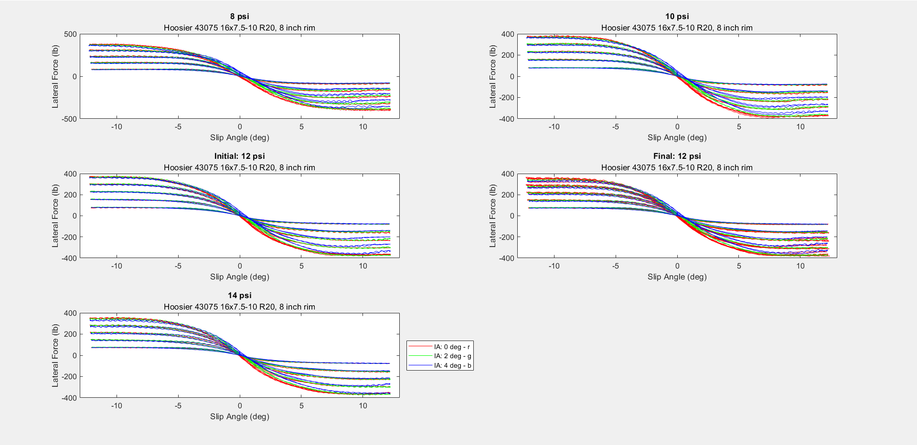

Run 9
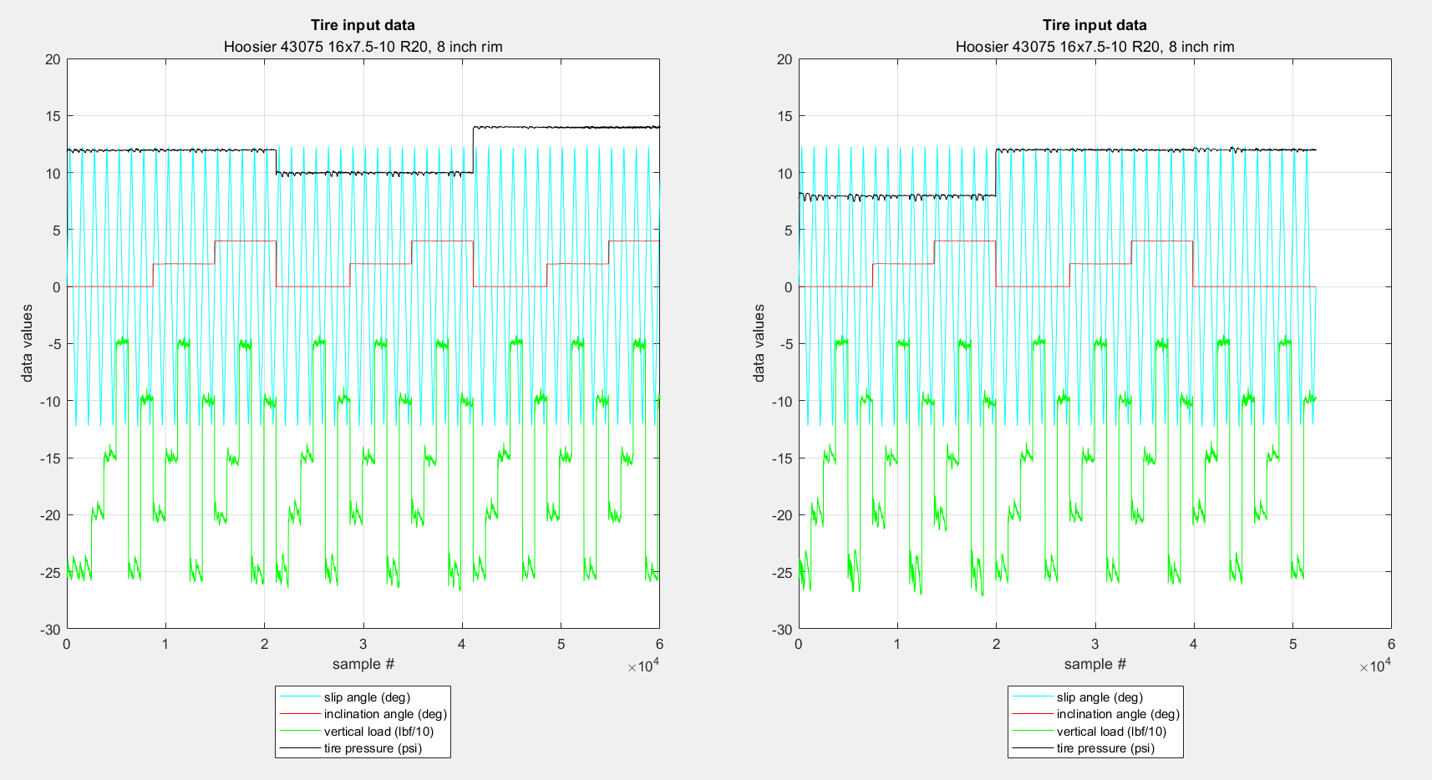

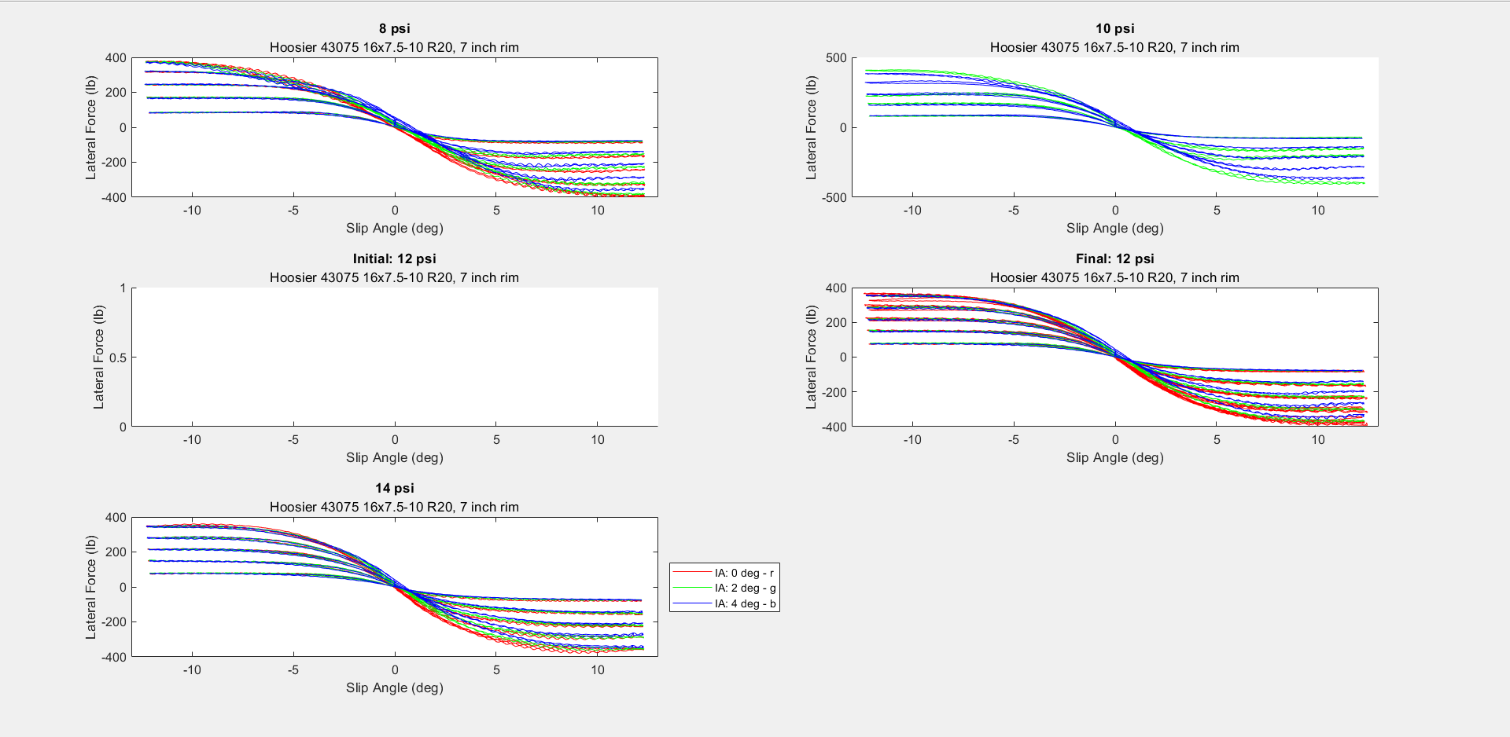

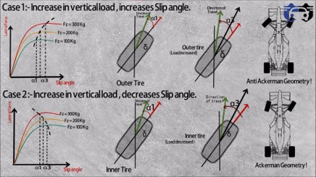

Credits:
Cpt. Hamilton

Motor Data
Torque Curve
 | Peak Torque | Continuous Torque
0 | 140 | 60
500
1000 |  | 65
1500
2000 |  | 66
2500
3000
3500 |  | 66
4000 | 135 | 65
4500 | 132.5
5000 | 129.5 | 60
5500 | 122.5
6000 | 115 | 58
Motor Speed (RPM) | Peak Torque (Nm) | Continuous Torque (Nm) | Peak Power (kW) | Continuous Power (kW)
0 | 140 | 60 | 0 | 0
500
1000 |  | 65
1500
2000 |  | 66
2500
3000 |  |  | 44 | 22
3500 |  | 66 | 50
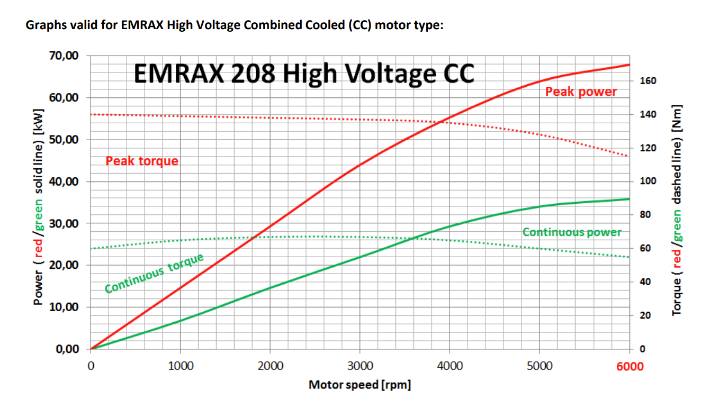
4000 | 135 | 65 |  | 29
4500 | 132.5
5000 | 129.5 | 60 | 64 | 34
5500 | 122.5
6000 | 115 | 58 | 68 | 36

Motor Speed (RPM) | Peak Torque (lb*in) | Continuous Torque (lb*in) | Peak Power (Hp) | Continuous Power (Hp)
0 | 1239.10416 | 531.04464 | 0 | 0
500
1000 |  | 575.29836
Power Curve
 | Peak Power | Continuous Power
0 | 0 | 0
500
1000
1500
2000
2500
3000 | 44 | 22
3500 | 50
4000 |  | 29
4500
5000 | 64 | 34
5500
6000 | 68 | 36
1500
2000 |  | 584.149104
2500
3000 |  |  | 59.00488 | 29.50244
3500 |  |  | 67.051
4000 | 1194.85044 | 575.29836 |  | 38.88958
4500 | 1172.72358
5000 | 1146.171348 | 531.04464 | 85.82528 | 45.59468
5500 | 1084.21614
6000 | 1017.83556 | 513.343152 | 91.18936 | 48.27672

Car Velocity (mph) | a_x due to peak torque (g's) | a_x due to continuous torque (g's) | a_x due to peak power (g's) | a_x due to continuous power (g's)
0 | 0.34551942923 | 0.14807975538 | 0 | 0
16.413750991
32.827501981 |  | 0.160419735
49.241252972
65.655003962 |  | 0.16288773092
82.068754953
98.482505943 |  |  | 0.34565803196 | 0.17282901598
114.89625693 |  |  | 0.33667990126
Max Acceleration Possible by Motor Given Vehicle Speed
 | a_x due to peak torque (g's) | a_x due to continuous torque (g's) | a_x due to peak power (g's) | a_x due to continuous power (g's)
0 | 0.34551942923 | 0.14807975538 | 0 | 0
16.413750991
32.827501981 |  | 0.160419735
49.241252972
65.655003962 |  | 0.16288773092
82.068754953
98.482505943 |  |  | 0.34565803196 | 0.17282901598
114.89625693 |  |  | 0.33667990126
131.31000792 | 0.33317944962 | 0.160419735 |  | 0.17086504989
147.72375891 | 0.32700945981
164.13750991 | 0.31960547204 | 0.14807975538 | 0.30166519152 | 0.160259633
180.5512609 | 0.30232950058
196.96501189 | 0.28381953115 | 0.14314376354 | 0.26709938833 | 0.14140555853
131.31000792 | 0.33317944962 | 0.160419735 |  | 0.17086504989
147.72375891 | 0.32700945981
164.13750991 | 0.31960547204 | 0.14807975538 | 0.30166519152 | 0.160259633
180.5512609 | 0.30232950058
196.96501189 | 0.28381953115 | 0.14314376354 | 0.26709938833 | 0.14140555853
 |  |  | *not needed for analysis | *not needed for analysis
Test Transmission Gear Ratio | 1 |  | - Dave

*2-3% rolling losses
-> fish scale

hill grade
driveline losses
force of drag for effective g's

 |  |  |  |  | ^ add tractive limit for good analysis

Upright Force Analysis
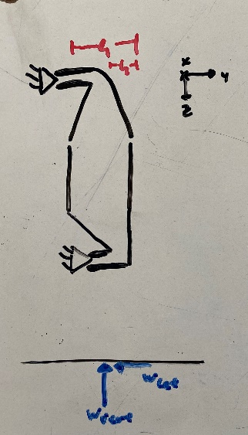
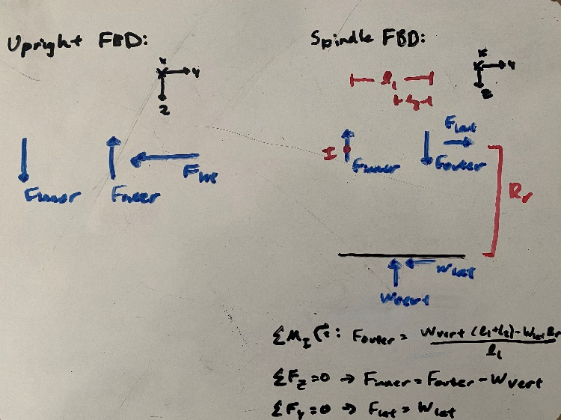
Front |  |  | Rear |  |  | Max Cornering
l1 | 2 |  | l1 | 2
l2 | -0.135 |  | l2 | -0.2396
l3 | 2.03 |  | l3 | 2.287
l4 | 1.11 |  | l4 | 1.114
l5 | 3.78 |  | l5 | 2.5197
Rr | 8 |  | Rr | 8
*inches |  |  | *inches

Max Cornering |  |  | Max Cornering
W_lat | 470.89 | <- F_lat | W_lat | 571.81 | <- F_lat
W_vert | 289.84 |  | W_vert | 350.18

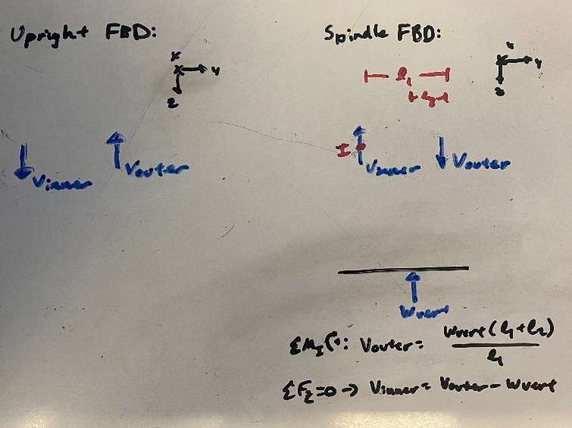
F_outer | -1613.2842 |  | F_outer | -1979.011564
F_inner | -1903.1242 |  | F_inner | -2329.191564 |  | Max Braking
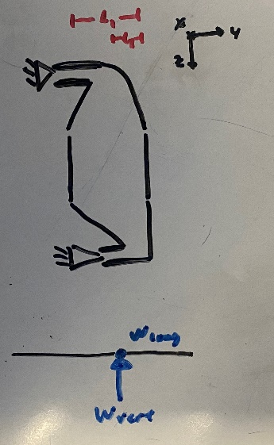
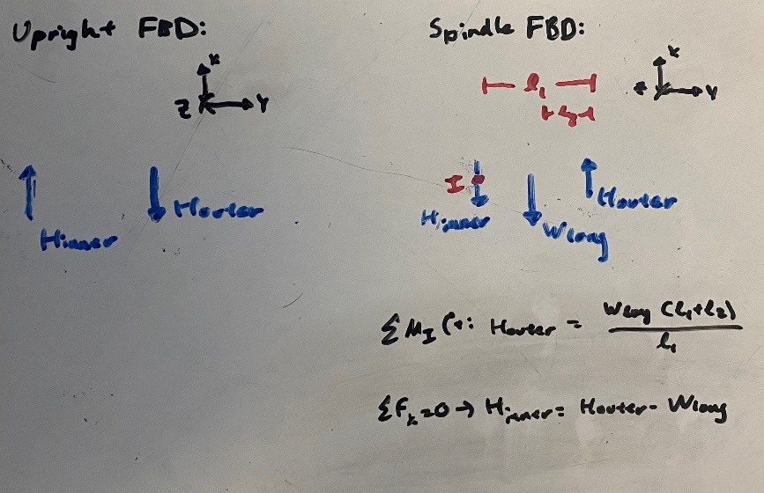
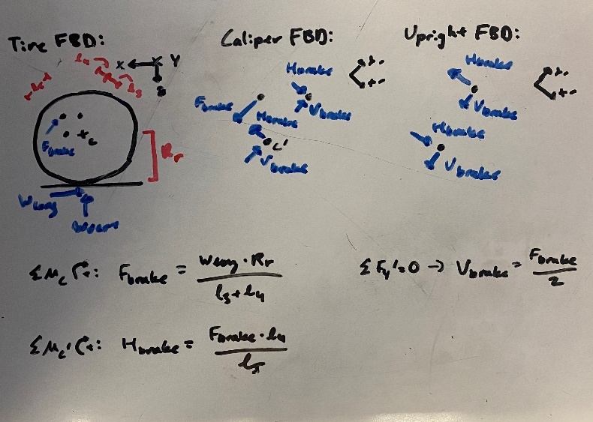
Max Braking |  |  | Max Braking
W_long | 453.3937 |  | W_long | 201.4189
W_vert | 278.6029 |  | W_vert | 112.0312

V_outer | 259.79720425 |  | V_outer | 98.60986224
H_outer | 422.78962525 |  | H_outer | 177.28891578
V_inner | -18.80569575 |  | V_inner | -13.42133776
H_inner | -30.60407475 |  | H_inner | -24.12998422
F_brake | 1155.1431847 |  | F_brake | 473.78747427
V_brake | 577.57159236 |  | V_brake | 236.89373714
H_brake | 339.20871297 |  | H_brake | 209.46908217

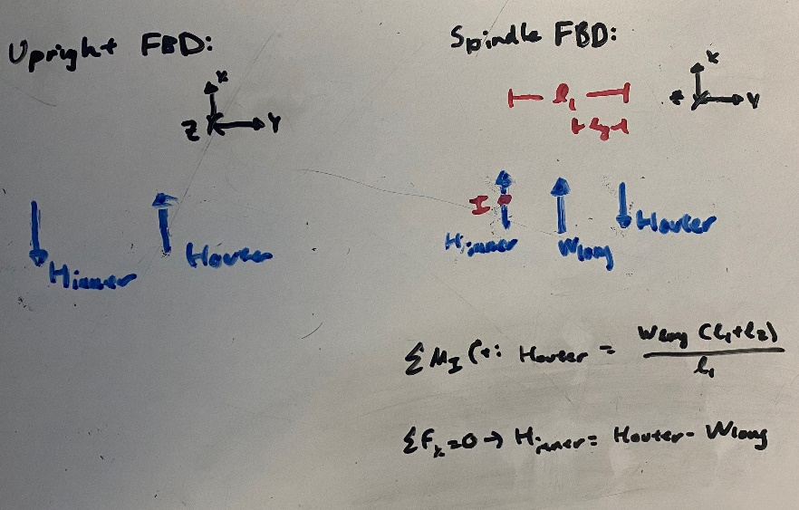
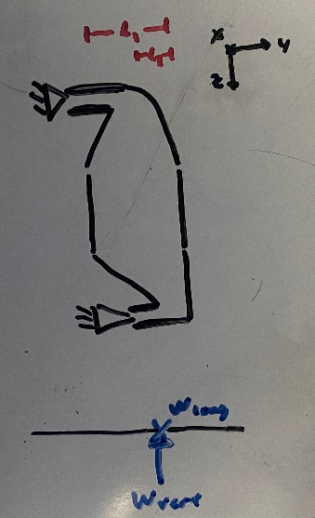

 |  |  | Max Acceleration |  |  | Max Acceleration
 |  |  | W_long | 377.0566
 |  |  | W_vert | 277.8494

 |  |  | V_outer | 244.56304188
 |  |  | H_outer | 331.88521932
 |  |  | V_inner | -33.28635812
 |  |  | H_inner | -45.17138068

